Soul Energy Visualization
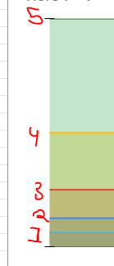
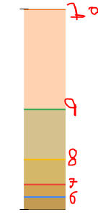
Tiers I - V
Tiers VI - X
 | Soul Capacity
Tier I | 1.00
Tier II | 2.00
Tier III | 4.00
Tier IV | 8.00
Tier V | 16.00
Tier VI | 32.00
Tier VII | 64.00
Tier VIII | 128.00
Tier IX | 256.00
Tier X | 512.00
Tier XI | 1,024.00
Tier XII | 2,048.00
Tier XIII | 4,096.00

